Exercise#3
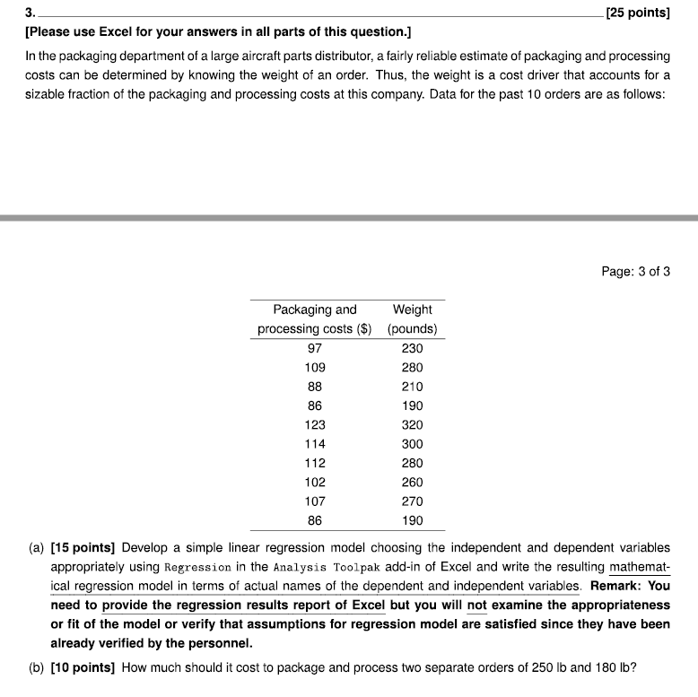
x | y
Weight (Pounds) | Packaging and Processing Costs ($)
230 | 97
280 | 109
210 | 88
190 | 86
320 | 123
300 | 114
280 | 112
260 | 102
270 | 107
190 | 86

PART B)
Weight (Pounds) | Packaging and Processing Costs ($)
180 | OUTSIDE OF DATA RANGE - INVALID - DOESN'T FIT REGRESSION EQUATION
250 | $101.56

